Voltage-Speed conversion
 | Min | Nom | Max | Percentages
ADC voltage [V] | 3.22 | 3.29 | 3.37 | Stop | Start | Max | Resistor tolerance [%]
Speed [RPM] | 200 | 1700 | 2000 | 20% | 24% | 96% | 1
Vdiv_target [V] | 0.79 | 2.77 | 3.16
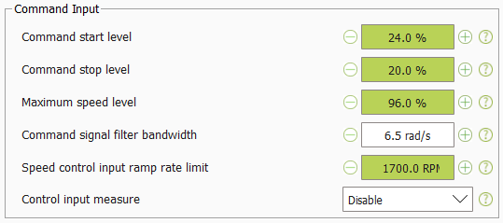
Rupper [kΩ] | 3.17 | 3.20 | 3.23 | text | Editable
Rlower [kΩ] | 16.63 | 16.80 | 16.97 | text | Non-editable
VSP [V] | 2.70 | 2.77 | 2.84 |  | Target
 |  |  |  |  | Parameter
 |  |  |  |  | Output
 |  |  |  |  | Temperature

+15V power supply LM317
 | Min | Nom | Max | IC | Tja [K/W] | Tamb [°C] | Resistor tolerance [%]
Vin [V] | 22 | 24 | 26 | LM317 | 50 | 40 | 1
Vout_target [V] | 15 | 15 | 15
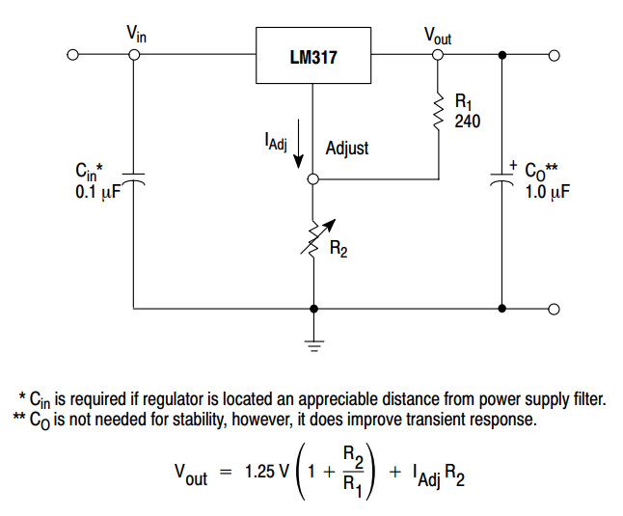
I(3.3V+reg) [mA] | 11.88 | 27.50 | 38.13 | text | Editable
I(15V) [mA] | 0.00 | 10.00 | 16.62 | text | Non-editable
Iload [mA] | 11.88 | 37.50 | 54.75 |  | Target
 |  |  |  |  | Parameter
Vref [V] | 1.2 | 1.25 | 1.3 |  | Output
Iadj [uA] | 10 | 50 | 100 |  | Temperature
Ir1_target [mA] | 10 | 10 | 10
R1_target [Ω] | 120 | 125 | 130
R1[Ω] | 108.9 | 110 | 111.1
R2_target [Ω] | 1138 | 1205 | 1276
R2 [Ω] | 1188 | 1200 | 1212
Vout [V] | 14.04 | 14.95 | 15.89
Ir1 [mA] | 10.80 | 11.36 | 11.94
Pr1 [mW] | 13 | 14 | 16
Pr2 [mW] | 134 | 156 | 182

Ireg [mA] | 22.68 | 48.86 | 66.69
Udrop [V] | 6.11 | 9.05 | 11.96
Preg [W] | 0.14 | 0.44 | 0.80
Treg [°C] | 46.93 | 62.12 | 79.87

(old) +15V power supply TL431
 | Min | Nom | Max | IC | Tja [K/W] | Tamb [°C] | Resistor tolerance [%]
Vin [V] | 22 | 24 | 26 | TL431CDR | 97 | 40 | 1
Vout_target [V] | 15 | 15 | 15
Iload [mA] | 0.00 | 10.00 | 16.62 | text | Editable
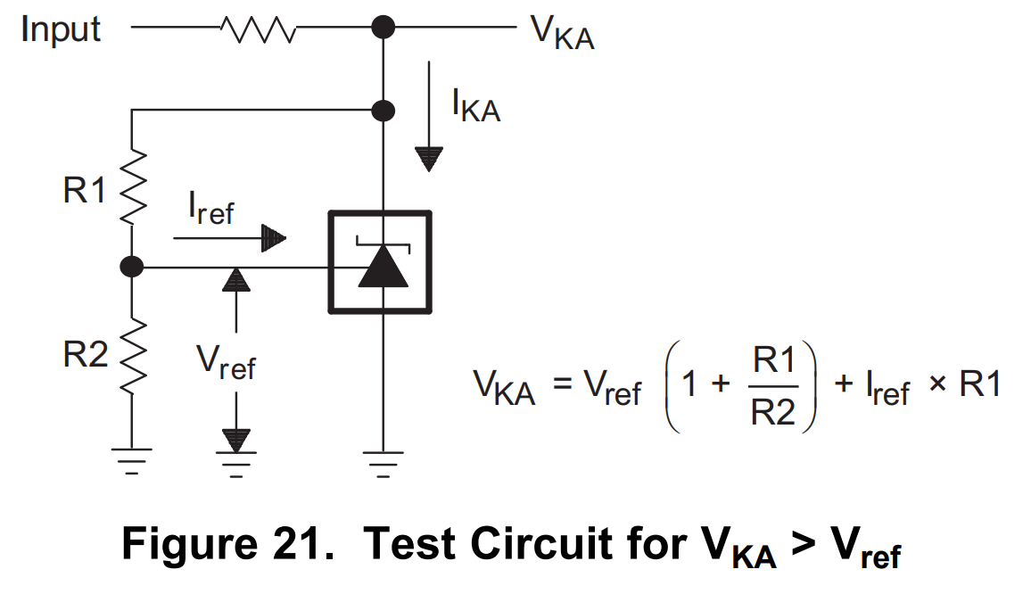
Iout_target [mA] | 0.00 | 10.00 | 16.62 | text | Non-editable
 |  |  |  |  | Target
Vref [V] | 2.44 | 2.495 | 2.55 |  | Parameter
Iref [uA] | 1 | 2 | 4 |  | Output
Idiv_target [mA] | 0.1 | 0.5 | 1 |  | Temperature
R2_target [kΩ] | 24.4 | 4.99 | 2.55
R2 [kΩ] | 4.65 | 4.7 | 4.75
R1_target [kΩ] | 22.72 | 23.56 | 24.44
R1 [kΩ] | 23.27 | 23.5 | 23.74
Vout [V] | 14.42 | 15.02 | 15.65
Idiv [mA] | 0.506 | 0.533 | 0.561

Udrop [V] | 6.35 | 9 | 11.58
Rsup_target [Ω] | 381.92 | 900.00 | ∞
Rsup[Ω] | 386.1 | 390 | 393.9
Ires [mA] | 16.11 | 23.08 | 29.99
Pres [W] | 0.10 | 0.21 | 0.35
Iout [mA] | 15.55 | 22.54 | 29.48

Preg [W] | 0.00 | 0.19 | 0.46
Treg [°C] | 40.00 | 58.27 | 84.76

(old) NTC temperature
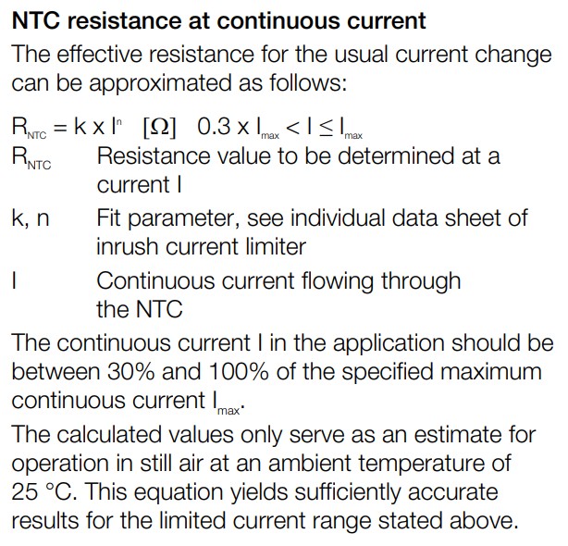
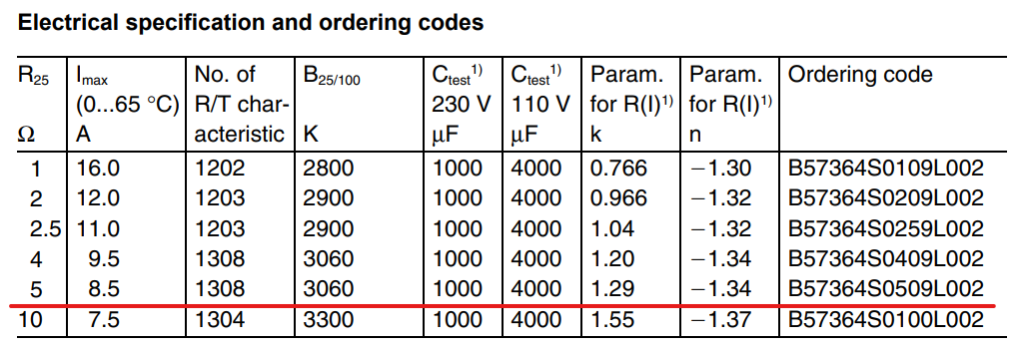
 | Min | Nom | Max
k | - | 1.29 | -
n | - | -1.34 | -
Istdy [A] | 4 | 4.17 | 4.5
δntc [mW/°C] | - | 24 | -
Rntc [Ω] | 0.201 | 0.190 | 0.172
Pntc [W] | 3.221 | 3.310 | 3.481
Tntc [°C] | 134.20 | 137.93 | 145.04

